CUSM Themes
BVP INDICATOR FRAMEWORK FOR LOCAL NEEDS ASSESSMENT

Informed by the
Community & Urban Safety Monitor (CUSM) by CCFSC (2025)
and Developed by the BVP Data & Evaluation Working Group

CUSM Main Themes & Indicators
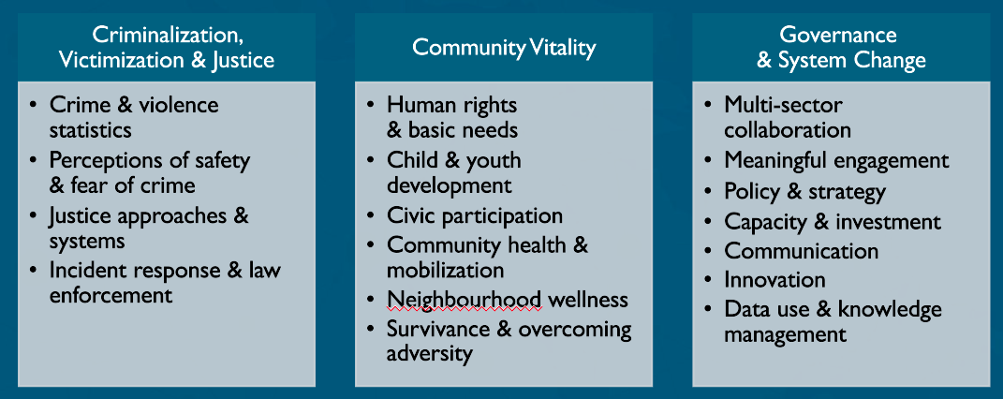

LEGEND for indicators in the tabs herein |  |  | CURRENT # |  | GAPS
 | green | data readily available | 33 | 18 crime and justice; 10 community factors; 5 governance | youth, family wellness, school experiences, indigenous-specific factors
 | orange | data available but infrequent or other concern | 39 | 14 crime and justice; 20 community factors; 5 governance
 | red | data not currently or readily available at the moment | 44 | 9 crime and justice; 32 community factors; 3 governance

